Sheet1
Stop-and-wait Question
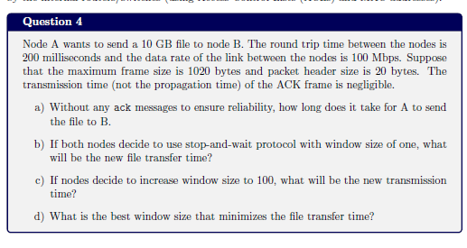

 | FILL THESE | Output (don't fill these)
Window size | 1 | Number of packets | 10000000
File size (in GB) | 10 | Transmission Delay(s) | 0.0000816
Link Data rate (in b/s) | 100000000 | Time (s) | 2000816
Frame size (in bytes) | 1020
Packet Header size (in bytes) | 20
RTT (in ms) | 0.2

